1. Title Page
Marketing Analysis

Project Name: Grocery Basket Analysis
Date: July 15, 2022
Analyst Name: Emily Nordhoff

Contents:
Population Flow
Consistency checks
Wrangling steps
Column derivations
Visualizations 1
Visualizations 2

“The Instacart Online Grocery Shopping Dataset 2017”, Accessed from https://www.instacart.com/datasets/grocery-shopping-2017 on 6/22/2022.

2. Population Flow
Back to Title Page
Population flow

Exclusion flag
Condition: max_order < 5
Obervations to be removed: 1,441,548
Final count of order_products_all: 30,992,664

Orders_products_combined
Orders_products_merged
Orders_products_all

Total: 32,434,212
Total: 32,434,489
Total: 30,992,664

3. Consistency checks
Consistency checks
 |  |  | Back to Title page

Dataset | Column | Missing values | Missing values treatment | Duplicates
orders | days_since_prior_order | 206209 NaN | Do nothing - indicates first order | N/A
products | prices | 2 values > 25 | change to be NaN
 | product_name | 16 NaN | Do nothing - name isn't necessary
 |  |  |  | 5 records with exact duplicates removed
 |  |  |  | 2 sets of products that share id, second product listed removed
orders_products_prior |  | N/A |  | N/A
customers | first_name | 11259 NaN | Do nothing - name isn't necessary | N/A

4. Wrangling steps
Wrangling steps
 |  | Back to Title page

Orders
Columns dropped | Columns renamed | Columns' type changed | Comment/Reason
eval_set |  |  | unnecessary to analysis
 | order_dow --> order_day_of_week |  | clarify column contents
 |  | order_number | to int8 to reduce size
 |  | order_day_of_week | to int8 to reduce size
 |  | order_hour_of_day | to int8 to reduce size
 |  | user_id | to int32 to reduce size
 |  | order_id | to int32 to reduce size
 |  | days_since_prior_order | to float16 to reduce size

Products
Columns dropped | Columns renamed | Columns' type changed | Comment/Reason
 |  | department_id | to int8 to reduce size
 |  | aisle_id | to int16 to reduce size
 |  | product_id | to int32 to reduce size
 |  | prices | to float32 to reduce size

Orders products prior
Columns dropped | Columns renamed | Columns' type changed | Comment/Reason
 |  | order_id | to int32 to reduce size
 |  | product_id | to int32 to reduce size
 |  | add_to_cart_order | to uint8 to reduce size
 |  | reordered | to int8 to reduce size

Customers
Columns dropped | Columns renamed | Columns' type changed | Comment/Reason
 | First Name --> first_name |  | for clarity and consistency
 | Surnam --> last_name |  | for clarity and consistency
 | STATE --> state |  | for clarity and consistency
 | Gender --> gender |  | for clarity and consistency
 | Age --> age |  | for clarity and consistency
first_name |  |  | PII concerns
last_name |  |  | PII concerns

5. Column derivations
 |  | Back to Title Page
Column derivations and aggregations

Dataset | New column | Column/s it was derived from | Why | Conditions | Code
orders_products_merged | price_range | prices | to deliniate price ranges of products | > $15 is 'high' between $5 and $15 is 'mid' <= $5 is 'low' | df.loc[df['prices'] > 15, 'price_range'] = 'high' df.loc[(df['prices'] <= 15) & (df['prices'] > 5), 'price_range'] = 'mid' df.loc[df['prices'] <= 5, 'price_range'] = 'low'
 | max_order | order_number | to determine max number of orders of a user | when grouping by user, find the order number they have made | df.groupby(['user_id'])['order_number'].transform(np.max)
 | loyalty_flag | max_order | to group customers into bins based on number of orders | > 40 orders is 'loyal' between 10 and 40 orders is 'regular' <= 10 orders is 'new' | df.loc[df['max_order'] > 40, 'loyalty_flag'] = 'loyal' df.loc[(df['max_order'] <= 40) & (df['max_order'] > 10), 'loyalty_flag'] = 'regular' df.loc[df['max_order'] <= 10, 'loyalty_flag'] = 'new'
 | avg_prod_price | prices | to find average price for all products per customer | mean of prices | df['avg_prod_price'] = df.groupby('user_id')['prices'].transform('mean')
 | ord_cost | prices | to find cost of whole order | sum of all products in order | df['ord_cost'] = df.groupby('order_id')['prices'].transform('sum')
 | num_prod_in_order | add_to_cart_order | to find total products per order | max of add_to_cart_order | df['num_prod_in_order'] = df.groupby('order_id')['add_to_cart_order'].transform('max')
 | avg_order_cost | prices | to find average order cost per customer | sum prices per order, per user and then take average | a = df.groupby(['user_id','order_number'])['prices'].sum().to_frame() b = a.groupby('user_id')['prices'].mean().rename('avg_order_cost') df = df.merge(b, how='left', on='user_id')
 | median_days_between | days_since_prior_order | to find the median days in between each order per customer | group by user and order number to get days in between, then take median for each customer | a = df.groupby(['user_id','order_number'])['days_since_prior_order'].min().to_frame() b = a.groupby('user_id')['days_since_prior_order'].median().rename('median_days_between') df = df.merge(b, how='left', on='user_id')
 | exclusion | max_order | to limit data to customer with more than 5 orders | Less than 5 orders = excluded | df2.loc[df2['max_order'] < 5, 'exclusion'] = 1 df2.loc[df2['max_order'] >= 5, 'exclusion'] = 0
 | age_range | age | to create age ranges | check if age is with range and apply flag | df2.loc[df2['age'] < 35, 'age_range'] = 1 df2.loc[(df2['age'] >= 35) & (df2['age'] < 50), 'age_range'] = 2 df2.loc[(df2['age'] >= 50) & (df2['age'] < 65), 'age_range'] = 3 df2.loc[df2['age'] >= 65, 'age_range'] = 4
 | hour_range | order_hour_of_day | to create time ranges during the day | check if hour is within range and apply flag | x = [] for value in df2['order_hour_of_day']: if value <= 6 or value >= 23: x.append(3) # 3 for least busiest elif value >= 9 and value < 17: x.append(1) # 1 for most busy elif value < 9 and value > 6: x.append(2) # 2 for medium busy elif value >=17 and value < 23: x.append(2) # 2 for medium busy else: x.append(np.nan) df2['hour_range'] = x
 | pet_stuff | department | to create a flag for pet items for customer | check if customer has ever ordered a product from the pet department and apply label to customer | df2['pet_stuff'] = [1 if x == 'pets' else 0 for x in df2['department']] df2['pet_stuff'] = df2.groupby(['user_id'])['pet_stuff'].transform('max')
 | baby_stuff | department | to create a flag for baby items for customer | check if customer has ever ordered a product from the babies department and apply label to customer | df2['baby_stuff'] = [1 if x == 'babies' else 0 for x in df2['department']] df2['baby_stuff'] = df2.groupby(['user_id'])['baby_stuff'].transform('max')
 | frozen_stuff | department | to create a flag for frozen items per order | check if order includes a frozen item and apply flag | df2['frozen_stuff'] = [1 if x == 'frozen' else 0 for x in df2['department']] df2['frozen_stuff'] = df2.groupby(['order_id'])['frozen_stuff'].transform('max')
 | snacks | department | to create a flag for snack items per order | check if order includes a snack item and apply flag | df2['snacks'] = [1 if x == 'snacks' else 0 for x in df2['department']] df2['snacks'] = df2.groupby(['order_id'])['snacks'].transform('max')
 | common_order_day | order_day_of_week | to find mode of ordering day of week | group by user id and then find mode of order_dow across all orders | a = (orders.groupby('user_id')['order_day_of_week'] .agg(lambda x: pd.Series.mode(x)[0]).rename('common_order_day').to_frame()) df2 = df2.merge(a, how='left', left_on='user_id', right_index=True)
 | income_range | income | to create income ranges | check if income is with range and apply flag | x = [] for value in df2['income']: if value < 60000: x.append(1) # income group #1 elif value >= 60000 and value < 94000: x.append(2) # income group #2 elif value >= 94000 and value < 124000: x.append(3) # income group #3 elif value >= 124000: x.append(4) # income group #4 else: x.append(np.nan) df2['income_range'] = x
 | region | state | to identify region of country the customer resides | locate state within region group and apply it to a new variable | northeast = ['Maine', 'New Hampshire', 'Vermont', 'Massachusetts', 'Rhode Island', 'Connecticut', 'New York', 'Pennsylvania', 'New Jersey'] midwest = ['Wisconsin', 'Michigan', 'Illinois', 'Indiana', 'Ohio', 'North Dakota', 'South Dakota', 'Nebraska', 'Kansas', 'Minnesota', 'Iowa', 'Missouri'] south = ['Delaware', 'Maryland', 'District of Columbia', 'Virginia', 'West Virginia', 'North Carolina', 'South Carolina', 'Georgia', 'Florida', 'Kentucky', 'Tennessee', 'Mississippi', 'Alabama', 'Oklahoma', 'Texas', 'Arkansas', 'Louisiana'] west = ['Idaho', 'Montana', 'Wyoming', 'Nevada', 'Utah', 'Colorado', 'Arizona', 'New Mexico', 'Alaska', 'Washington', 'Oregon', 'California', 'Hawaii'] df2.loc[df2['state'].isin(northeast), 'region'] = 'northeast' df2.loc[df2['state'].isin(midwest), 'region'] = 'midwest' df2.loc[df2['state'].isin(south), 'region'] = 'south' df2.loc[df2['state'].isin(west), 'region'] = 'west'

6a. Visualizations
 |  | Back to Title Page
Visualisations Part 1

Question #1 | The sales team needs to know what the busiest days of the week and hours of the day are (i.e., the days and times with the most orders) in order to schedule ads at times when there are fewer orders.
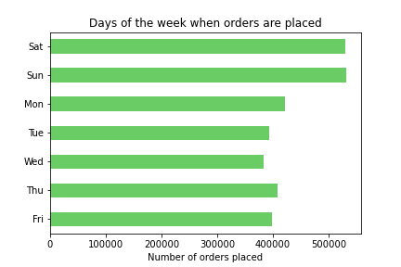
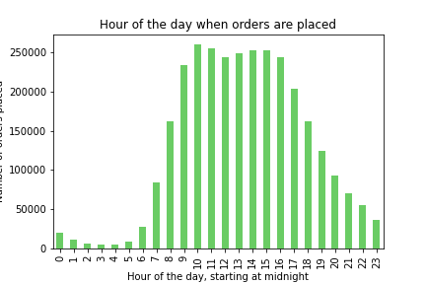

-- The most popular days to place orders are Saturday and Sunday |  | -- The peak time to place orders is between 10am and 5pm

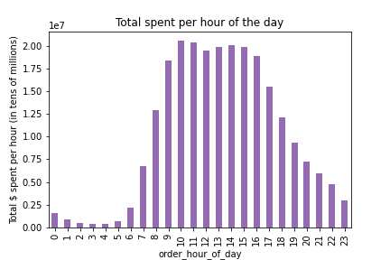
Question #2 | They also want to know whether there are particular times of the day when people spend the most money, as this might inform the type of products they advertise at these times.

 |  | -- Essentially the same chart as in Question #2.
 |  | -- The money spent follows the same timing as
 |  | orders placed.

Question #3 | Instacart has a lot of products with different price tags. Marketing and sales want to use simpler price range groupings to help direct their efforts.

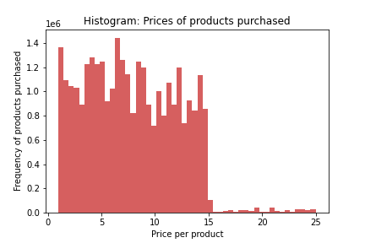

 |  | -- The vast majority of products are under $15 (99%).
 |  | -- Mid-range products are purchased at a slightly higher rate than
 |  | there are products available in that price range.

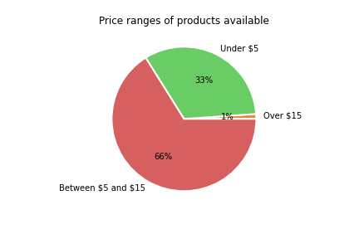
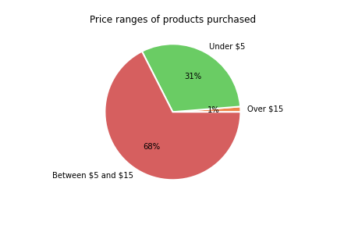

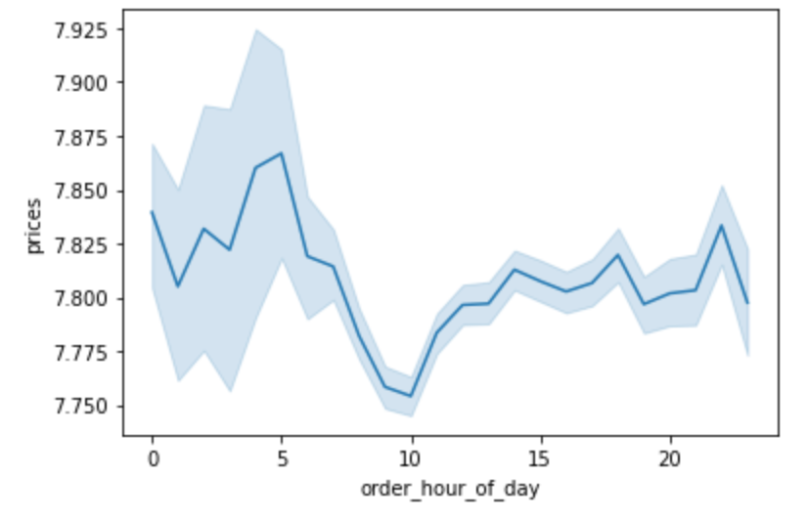
 |  | -- This shows average product prices over hours
 |  | in the day.
 |  | -- The average product price is lowest at 10am,
 |  | when the most amount of orders are being placed.
 |  | -- There is a high variability of prices of products
 |  | during night time hours.

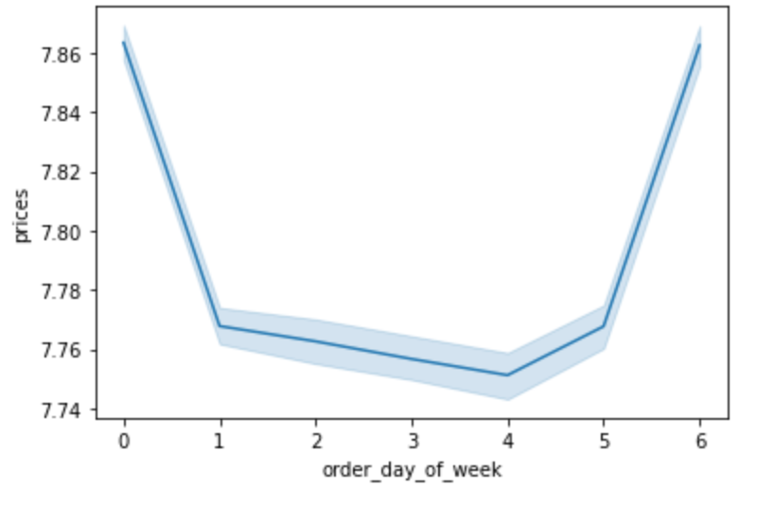
 |  | -- This shows average product prices over days
 |  | of the week.
 |  | -- Highest average product price is seen on
 |  | Fridays (day 6) and Saturdays (day 0).

Question #4 | Are there certain types of products that are more popular than others? The marketing and sales teams want to know which departments have the highest frequency of product orders.
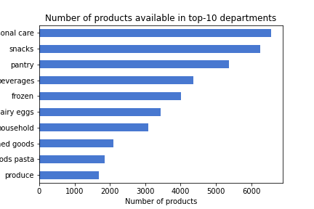
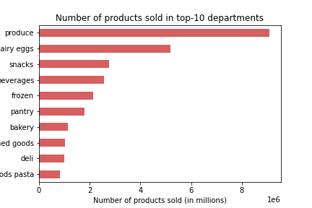

-- The department with the most products available is: personal care.
-- But the department that sells the most products is: produce.
-- Snacks, beverages, and frozen food are in the top-5 of both charts.

6b. Visualizations
 |  |  | Back to Title Page
Visualisations Part 2

Question #5 |  | The marketing and sales teams are particularly interested in the different types of customers in their system and how their ordering behaviors differ. |  |  |  |  |  | Recommendations

"Ordering habits" can be defined in a number of ways. Some examples:
 | > - common order day
 | > - days in between orders
 | > - average order cost
 | > - total number of orders
 | > - total spent

Breakdown of customer loyalty
 | Loyal customers have over 40 orders
 | Regular customers have between 10 and 40
 | New customers have 10 or less orders |  |  |  |  |  |  | -- Target/nudge 'regular' customers to increase
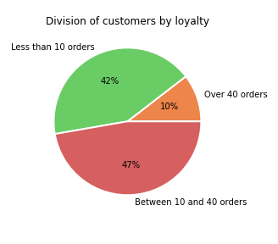
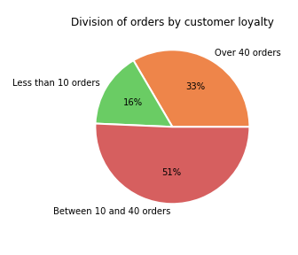
 |  |  |  |  |  |  |  | number of orders

 |  | -- Loyal customers make up about 10% of customer base, but place 33% of the orders.
 |  | -- New customers make up over 40% of the customer base, but account for 16% of orders.

Loyalty status vs. Median days between orders
 | There are no dates, but we can approximate how often customers are placing orders by taking
 | the median days in between each order.
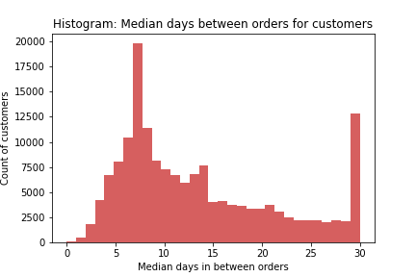
 |  |  |  | -- According to the histogram, there's a collection of customers who's
 |  |  |  | median days in between is 7 days. Which means one order per week. |  |  |  | -- Send reminder emails 6-7 days after an order to
 |  |  |  | -- There is also a collection of customers whose days in between orders is |  |  |  | encourage placing another one
 |  |  |  | 30, but that is likely inaccurate and all customers with 30 or more days
 |  |  |  | between orders are collected in that bin.
 |  |  |  | -- 97% of loyal customers place an order every 7 days (or less)
 |  |  |  | -- The other pie charts show that regular customers and new customers
 |  |  |  | are significantly less consistent than the customers with over 40 orders
 |  |  |  | during this time period.

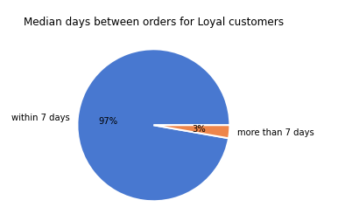
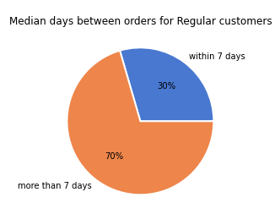
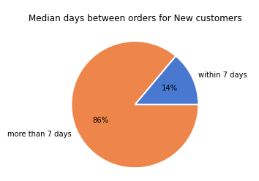

Loyalty status vs. Common order day
 | Now that we know loyal customers are very consistent at placing an order at most every 7 days,
 | let's look into which day(s) the most orders are being placed by different types of customers.
 | We know that Saturday and Sunday are when the most orders are placed.
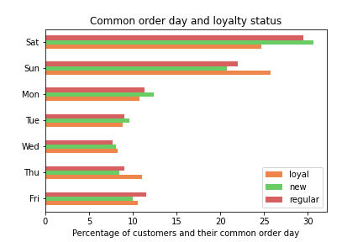

 |  |  |  |  | -- The highest percentage of loyal customers
 |  |  |  |  | place orders on Sunday. |  |  | -- Increase staff/contract workers on weekends to
 |  |  |  |  | -- Saturday is the most popular day for both |  |  | limit delivery times
 |  |  |  |  | new and regular customers

Common order day vs. income bracket
 | The weekend is when most people place orders.
 | What are the income demographics of the customers who place orders on the weekend?

 |  |  |  |  |  | -- Folks in the lowest income
 |  |  |  |  |  | bracket prefer to place
 |  |  |  |  |  | orders on Sunday.

When are snacks and frozen food orders placed?
 | I divided the day into 3 levels of busyness: peak, mid-busy, and least busy
 | The busiest time of day is 9am to 5pm.
 | Mid-busy is from 6am to 9am AND from 5pm to 11pm.
 | Least busy is overnight from 11pm to 6am.
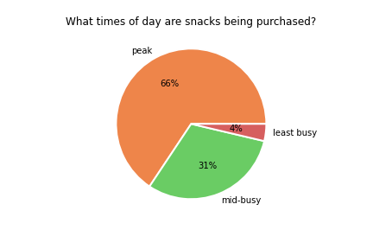
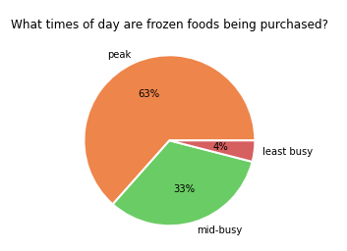

 | -- Frozen foods are ordered during off-peak times slightly more than snacks
 | -- Maybe delivery times are longer during peak hours?

Loyalty vs. purchasing frozen products

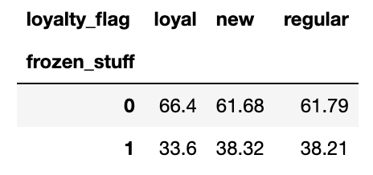
 |  |  |  | -- Loyal customers order less frozen products
 |  |  |  | than new and regular customers

Customers buying pet and/or baby products

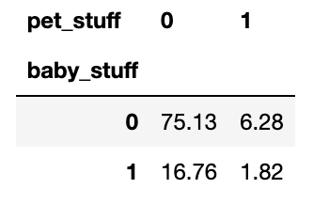
 |  |  |  |  |  |  |  | -- Only market pet and baby items to repeat customers.
 |  |  |  | -- 75% of customers don't buy products for
 |  |  |  | pets nor babies

Orders including snacks in each state

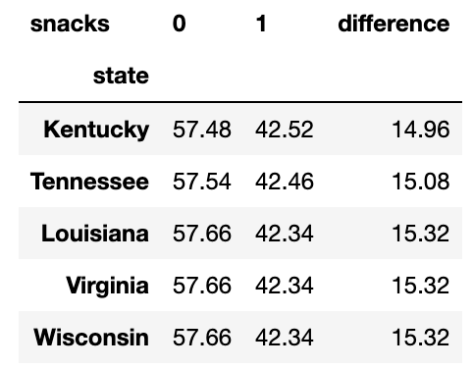
Bottom of the list
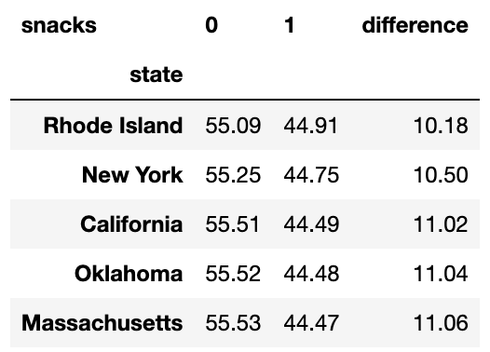
Top of the list

 |  |  |  |  |  |  | -- Orders in Wisconsin have the
 |  |  |  |  |  |  | lowest percentage of snacks. | -- Suggest more snacks for orders in Wisconsin, and in
 |  |  |  |  |  |  | -- Orders in Rhode Island have the | the south. These are low-priced items and
 |  |  |  |  |  |  | highest percentage of snacks! | easy add-ons.

Customer age vs. income bracket
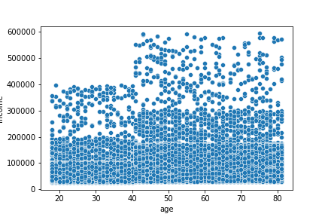

 |  |  |  | -- Scatter plot shows the density of customers who make
 |  |  |  | $200k and less, but's it's difficult to see percentages.
 |  |  |  | -- Bar chart demonstrates the younger customers makes up the
 |  |  |  | lowest income bracket.
 |  |  |  | -- While the oldest customers have the highest income.

Loyalty status vs. customer demographics

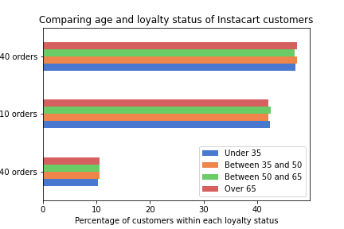
 |  |  |  |  | -- Loyalty status is evenly distributed
 |  |  |  |  | across all age ranges.
 |  |  |  |  | -- Loyalty status is evenly distributed
 |  |  |  |  | across all regions as well.

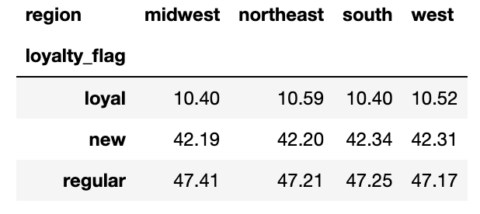

Customer age vs. number of dependants

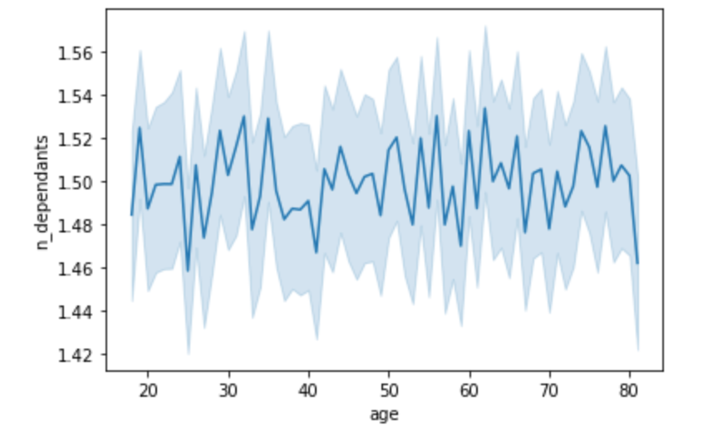
 |  |  |  |  | -- No relationship between customer
 |  |  |  |  | age and number of dependants.

